Task 2-1 Payoff Table Solution
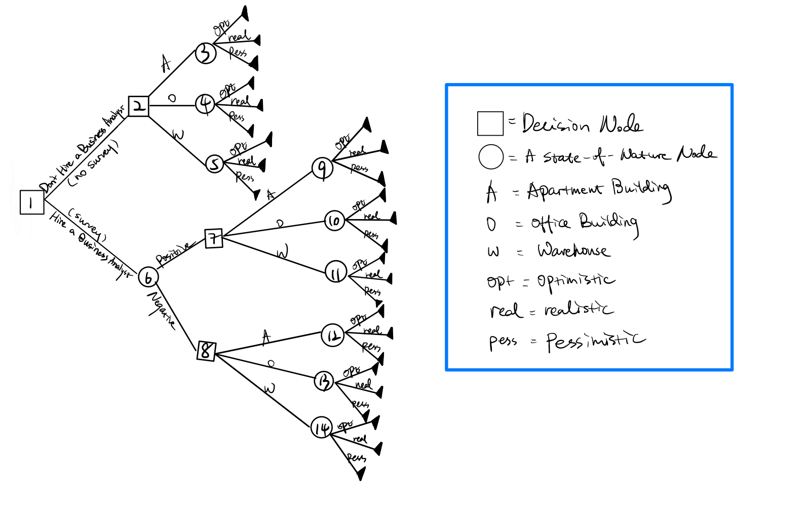
1. If the company does not hire a business analyst:
Alternatives | States of Nature
 | Optimistic Conditions | Realistic Conditions | Pessimistic Conditions
Apartment Building | $410,000 | $360,000 | -$90,000
Office Building | $440,000 | $330,000 | -$120,000
Warehouse | $380,000 | $320,000 | -$140,000
Probability | 0.29 | 0.58 | 0.13

2. If the company hires a business analyst:
Fee for Survey | $8,000

2.1 If the analysis report is positive:
Alternatives | States of Nature
 | Optimistic Conditions | Realistic Conditions | Pessimistic Conditions
Apartment Building | $402,000 | $352,000 | -$98,000
Office Building | $432,000 | $322,000 | -$128,000
Warehouse | $372,000 | $312,000 | -$148,000
Probability | 0.56 | 0.31 | 0.13

2.2 If the analysis report is negative:
Alternatives | States of Nature
 | Optimistic Conditions | Realistic Conditions | Pessimistic Conditions
Apartment Building | $402,000 | $352,000 | -$98,000
Office Building | $432,000 | $322,000 | -$128,000
Warehouse | $372,000 | $312,000 | -$148,000
Probability | 0.17 | 0.29 | 0.54

3. Sketch of a Decision Tree (without probability and EMVs):

Task 2-3 Solution
Hire a Business Analyst
EMV (Report results positive) | $325,100
EMV (Report results negative) | $117,500
Don't Hire a Business Analyst
EMV | $316,000

Sensitivity Analysis |  |  |  | Equation:
p (hire) | p (don’t hire) | EMV(hire) | EMV (Don’t hire) | p: probability
0 | 1 | $117,500 | $316,000 | EMV(Hire)= 325,100p+(1-p)*117,500= 207,600p+117,500
1 | 0 | $325,100 | $316,000 | EMV(Don’t Hire)=316,000

Sensitivity Analysis
Cross Point 1
p= | 0
EMV= | 0

Cross Point
p= | 0.956
EMV= | 316,000

when p is between 0 and 0.956, then do not hire a business analyst, when p is between 0.956 and 1, then hire a business analyst

